FRONTEND
Chromaciticy value collector for LED Color analysis |  | Chromaciticy value collector for LED Color analysis
Value input and settings |  | Value output and recommended test values
Setting | Value | Value description | CIE1931 Chromaciticy Value
Channelname Chromaciticy X | 3.FeasaAnalyzer.XChromaticity_1 | X Chroma Actual Max | 0.0000
Channelname Chromaciticy Y | 3.FeasaAnalyzer.YChromaticity_1 | X Chroma Actual Min | 0.0000
Number of values to collect | 15 | Y Chroma Actual Max | 0.0000
Milliseconds between values | 500 | Y Chroma Actual Min | 0.0000
X Chroma MAX/MIN Cushion | 40.00%
Y Chroma MAX/MIN Cushion | 15.00% | Number of values collected | 15
 |  | Time spent collecting (seconds) | 7.5
 |  | X Chroma Percental cushion | 40.00%
 |  | Y Chroma Percental cushion | 15.00%

 |  | Recommended border values | MIN | MAX
 |  | X Chroma | 0.00 | 0.00
 |  | Y Chroma | 0.00 | 0.00

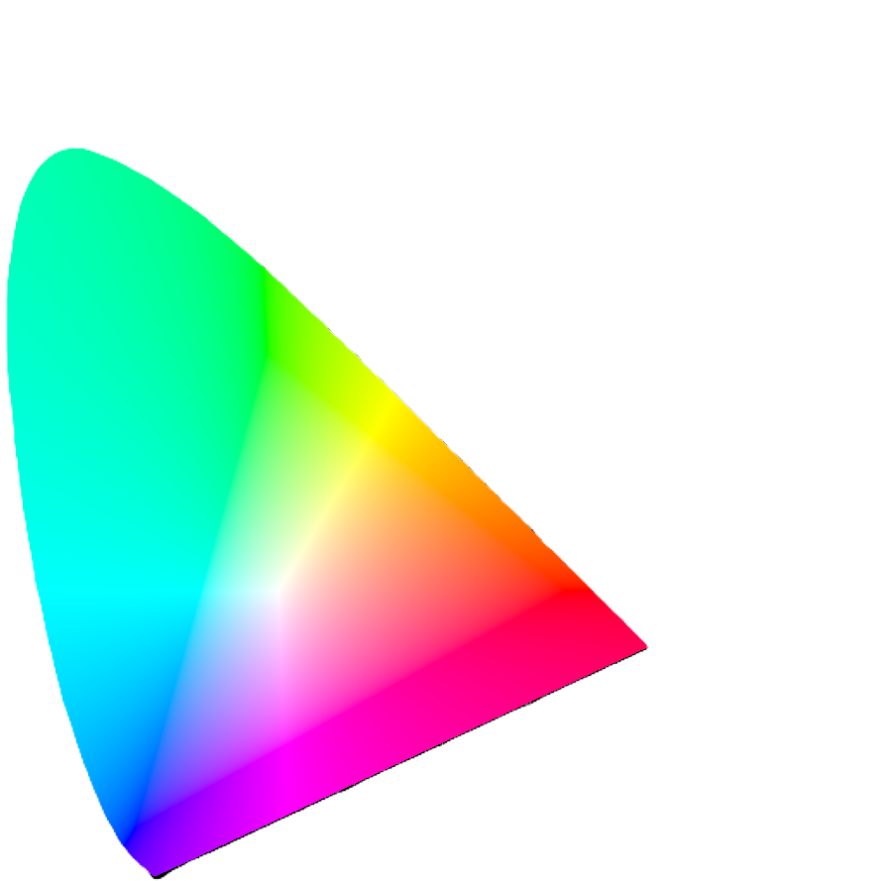
Realtime X, Y Chromaciticy value
 |  |  | Chroma
0.17411223443 | 0.0049637259815 | 0 | 0
0.17400791752 | 0.004980548623
0.17380077262 | 0.0049154119054
0.17355990653 | 0.0049232025773
0.17333686548 | 0.0047967434473
0.17302096546 | 0.0047750503619
0.17257655085 | 0.0047993019197
0.17208663076 | 0.004832524218
0.17140743386 | 0.0051021709737
0.17030098878 | 0.0057885049965
0.16887752067 | 0.0069002438879
0.16689529035 | 0.0085556063608
0.16441175638 | 0.010857558277
0.16110457958 | 0.013793358822
0.15664093258 | 0.017704804991
0.15098540838 | 0.022740193292
0.14396039604 | 0.029702970297
0.1355026712 | 0.039879121472
0.12411847673 | 0.057802513374
0.10959432362 | 0.086842511183
0.091293507002 | 0.13270204249
0.068705921291 | 0.20072321773
0.045390734675 | 0.29497596461
0.023459942547 | 0.41270347909
0.0081680280047 | 0.53842307051
0.0038585209003 | 0.65482315113
0.013870246085 | 0.75018642804
0.038851802403 | 0.81201602136
0.074302424773 | 0.83380309134
0.11416071961 | 0.82620695978
0.15472206122 | 0.80586354543
0.19287609788 | 0.78162921636
0.22961967265 | 0.7543290899
0.26577508497 | 0.72432392493
0.3016037994 | 0.69230776237
0.33736333285 | 0.65884829014
0.37310154387 | 0.6244508598
0.40873625571 | 0.58960686886
0.44406246358 | 0.55471390281
0.47877479116 | 0.52020230721
0.51248636678 | 0.48659078806
0.54478650559 | 0.45443411457
0.57515131137 | 0.42423223492
0.60293278558 | 0.39649663357
0.62703659976 | 0.37249114522
0.64823310601 | 0.35139491631
0.66576357624 | 0.33401065115
0.68007884972 | 0.31974721707
0.69150397296 | 0.30834226056
0.70060606061 | 0.2993006993
...
MAX/MIN value box + percental cushion
0.17411223443 | 0.0049637259815 | 0.00 | 0.00
0.17400791752 | 0.004980548623 | 0.00 | 0.00
0.17380077262 | 0.0049154119054 | 0.00 | 0.00
0.17355990653 | 0.0049232025773 | 0.00 | 0.00
0.17333686548 | 0.0047967434473 | 0.00 | 0.00
0.17302096546 | 0.0047750503619
0.17257655085 | 0.0047993019197
0.17208663076 | 0.004832524218
0.17140743386 | 0.0051021709737
0.17030098878 | 0.0057885049965
0.16887752067 | 0.0069002438879
0.16689529035 | 0.0085556063608
0.16441175638 | 0.010857558277
0.16110457958 | 0.013793358822
0.15664093258 | 0.017704804991
0.15098540838 | 0.022740193292
0.14396039604 | 0.029702970297
0.1355026712 | 0.039879121472
0.12411847673 | 0.057802513374
0.10959432362 | 0.086842511183
0.091293507002 | 0.13270204249
0.068705921291 | 0.20072321773
0.045390734675 | 0.29497596461
0.023459942547 | 0.41270347909
0.0081680280047 | 0.53842307051
0.0038585209003 | 0.65482315113
0.013870246085 | 0.75018642804
0.038851802403 | 0.81201602136
0.074302424773 | 0.83380309134
0.11416071961 | 0.82620695978
0.15472206122 | 0.80586354543
0.19287609788 | 0.78162921636
0.22961967265 | 0.7543290899
0.26577508497 | 0.72432392493
0.3016037994 | 0.69230776237
0.33736333285 | 0.65884829014
0.37310154387 | 0.6244508598
0.40873625571 | 0.58960686886
0.44406246358 | 0.55471390281
0.47877479116 | 0.52020230721
0.51248636678 | 0.48659078806
0.54478650559 | 0.45443411457
0.57515131137 | 0.42423223492
0.60293278558 | 0.39649663357
0.62703659976 | 0.37249114522
0.64823310601 | 0.35139491631
0.66576357624 | 0.33401065115
0.68007884972 | 0.31974721707
0.69150397296 | 0.30834226056
0.70060606061 | 0.2993006993
...

Notes:
3000 values collected is maximum
Lower than 250ms between values is not recommended
You need to wait for all values to be collected before latest diagram below is updated

CIE 1931 Reference_Structures
CIE 1931
7-Step ANSI Boxes |  | CIEx | CIEy |  | 1931 CIE Chart |  | Plankian Locus
6500K | C | 0.3067 | 0.3119 | WL (nm) | x | y | CCT (K) | x | y
 | B | 0.3026 | 0.3311 | 380 | 0.17411223443 | 0.0049637259815 | 2300 | 0.4956573 | 0.4152287
 | A | 0.3205 | 0.3477 | 385 | 0.17400791752 | 0.004980548623 | 2350 | 0.4908381 | 0.4150206
 | D | 0.3221 | 0.3255 | 390 | 0.17380077262 | 0.0049154119054 | 2400 | 0.4861184 | 0.4146904
5700K | B | 0.3205 | 0.3476 | 395 | 0.17355990653 | 0.0049232025773 | 2450 | 0.4814947 | 0.4142448
 | A | 0.3375 | 0.3619 | 400 | 0.17333686548 | 0.0047967434473 | 2500 | 0.4769697 | 0.4136972
 | D | 0.3366 | 0.3374 | 405 | 0.17302096546 | 0.0047750503619 | 2550 | 0.4725439 | 0.4130526
5000K | B | 0.3375 | 0.3619 | 410 | 0.17257655085 | 0.0047993019197 | 2600 | 0.4682142 | 0.4123223
 | A | 0.355 | 0.3753 | 415 | 0.17208663076 | 0.004832524218 | 2650 | 0.4639778 | 0.4115075
 | D | 0.3514 | 0.3481 | 420 | 0.17140743386 | 0.0051021709737 | 2700 | 0.459838 | 0.4106192
4500K | B | 0.355 | 0.3754 | 425 | 0.17030098878 | 0.0057885049965 | 2750 | 0.4557946 | 0.4096711
 | A | 0.3737 | 0.3882 | 430 | 0.16887752067 | 0.0069002438879 | 2800 | 0.4518347 | 0.4086497
 | D | 0.3672 | 0.3585 | 435 | 0.16689529035 | 0.0085556063608 | 2850 | 0.4479766 | 0.4075814
4000K | B | 0.3737 | 0.388 | 440 | 0.16441175638 | 0.010857558277 | 2900 | 0.444199 | 0.4064581
 | A | 0.4003 | 0.4035 | 445 | 0.16110457958 | 0.013793358822 | 2950 | 0.4405147 | 0.405297
 | D | 0.3895 | 0.3709 | 450 | 0.15664093258 | 0.017704804991 | 3000 | 0.4369156 | 0.4040903
3500K | B | 0.4003 | 0.4035 | 455 | 0.15098540838 | 0.022740193292 | 3050 | 0.4334022 | 0.4028554
 | A | 0.4303 | 0.4173 | 460 | 0.14396039604 | 0.029702970297 | 3100 | 0.4299675 | 0.4015881
 | D | 0.415 | 0.3821 | 465 | 0.1355026712 | 0.039879121472 | 3150 | 0.4266182 | 0.4002889
3000K | B | 0.4303 | 0.4173 | 470 | 0.12411847673 | 0.057802513374 | 3200 | 0.4233474 | 0.3989732
 | A | 0.4562 | 0.426 | 475 | 0.10959432362 | 0.086842511183 | 3250 | 0.4201531 | 0.397633
 | D | 0.4373 | 0.3893 | 480 | 0.091293507002 | 0.13270204249 | 3300 | 0.4170351 | 0.3962802
2700K | B | 0.4562 | 0.426 | 485 | 0.068705921291 | 0.20072321773 | 3350 | 0.4139922 | 0.3949015
 | A | 0.4813 | 0.4319 | 490 | 0.045390734675 | 0.29497596461 | 3400 | 0.4110268 | 0.3935257
 | D | 0.4593 | 0.3944 | 495 | 0.023459942547 | 0.41270347909 | 3450 | 0.4081218 | 0.3921314
2500K | B | 0.4813 | 0.4319 | 500 | 0.0081680280047 | 0.53842307051 | 3500 | 0.4052982 | 0.3907377
 | A | 0.5045 | 0.4344 | 505 | 0.0038585209003 | 0.65482315113 | 3550 | 0.4025315 | 0.3893346
 | D | 0.4799 | 0.3967 | 510 | 0.013870246085 | 0.75018642804 | 3600 | 0.3998348 | 0.3879313
2200K | B | 0.5045 | 0.4344 | 515 | 0.038851802403 | 0.81201602136 | 3650 | 0.3972017 | 0.3865225
 | A | 0.5259 | 0.4342 | 520 | 0.074302424773 | 0.83380309134 | 3700 | 0.3946326 | 0.3851189
 | D | 0.4993 | 0.3967 | 525 | 0.11416071961 | 0.82620695978 | 3750 | 0.3921216 | 0.3837154
 | C | 0.4799 | 0.3967 | 530 | 0.15472206122 | 0.80586354543 | 3800 | 0.3896738 | 0.3823166
2500K | C | 0.4593 | 0.3944 | 535 | 0.19287609788 | 0.78162921636 | 3850 | 0.3872806 | 0.3809178
2700K | C | 0.4373 | 0.3893 | 540 | 0.22961967265 | 0.7543290899 | 3900 | 0.3849469 | 0.3795318
3000K | C | 0.415 | 0.3821 | 545 | 0.26577508497 | 0.72432392493 | 3950 | 0.3826638 | 0.3781457
3500K | C | 0.3895 | 0.3709 | 550 | 0.3016037994 | 0.69230776237 | 4000 | 0.3804363 | 0.3767725
4000K | C | 0.3671 | 0.3583 | 555 | 0.33736333285 | 0.65884829014 | 4050 | 0.3782591 | 0.3754055
4500K | C | 0.3514 | 0.3482 | 560 | 0.37310154387 | 0.6244508598 | 4100 | 0.3761359 | 0.3740487
5000K | C | 0.3366 | 0.3373 | 565 | 0.40873625571 | 0.58960686886 | 4150 | 0.3740595 | 0.3726964
5700K | C | 0.3221 | 0.3256 | 570 | 0.44406246358 | 0.55471390281 | 4200 | 0.3720269 | 0.371358
6500K | C | 0.3067 | 0.3119 | 575 | 0.47877479116 | 0.52020230721 | 4250 | 0.3700478 | 0.3700345
 |  |  |  | 580 | 0.51248636678 | 0.48659078806 | 4300 | 0.3681093 | 0.3687173
 |  |  |  | 585 | 0.54478650559 | 0.45443411457 | 4350 | 0.3662163 | 0.3674078
 |  |  |  | 590 | 0.57515131137 | 0.42423223492 | 4400 | 0.3643663 | 0.3661172
 |  |  |  | 595 | 0.60293278558 | 0.39649663357 | 4450 | 0.3625554 | 0.3648401
 |  |  |  | 600 | 0.62703659976 | 0.37249114522 | 4500 | 0.36079 | 0.3635725
 |  |  |  | 605 | 0.64823310601 | 0.35139491631 | 4550 | 0.3590575 | 0.3623165
 |  |  |  | 610 | 0.66576357624 | 0.33401065115 | 4600 | 0.3573696 | 0.36108
 |  |  |  | 615 | 0.68007884972 | 0.31974721707 | 4650 | 0.3557132 | 0.3598496
 |  |  |  | 620 | 0.69150397296 | 0.30834226056 | 4700 | 0.3541014 | 0.3586385
 |  |  |  | 625 | 0.70060606061 | 0.2993006993 | 4750 | 0.3525168 | 0.3574341
 |  |  |  | 630 | 0.70791779162 | 0.29202710893 | 4800 | 0.3509675 | 0.3562481
 |  |  |  | 635 | 0.71403159712 | 0.28592887355 | 4850 | 0.3494544 | 0.3550789
 |  |  |  | 640 | 0.71903294163 | 0.28093495152 | 4900 | 0.3479741 | 0.3539145
 |  |  |  | 645 | 0.72303160257 | 0.27694835775 | 4950 | 0.3465231 | 0.35277
 |  |  |  | 650 | 0.72599231754 | 0.27400768246 | 5000 | 0.3451047 | 0.3516441
 |  |  |  | 655 | 0.72827172827 | 0.27172827173 | 5050 | 0.3437167 | 0.3505235
 |  |  |  | 660 | 0.72996901284 | 0.27003098716 | 5100 | 0.3423568 | 0.349418
 |  |  |  | 665 | 0.73108939558 | 0.26891060442 | 5150 | 0.3410251 | 0.3483269
 |  |  |  | 670 | 0.73199329983 | 0.26800670017 | 5200 | 0.3397208 | 0.3472518
 |  |  |  | 675 | 0.73271889401 | 0.26728110599 | 5250 | 0.3384463 | 0.3461897
 |  |  |  | 680 | 0.73341696723 | 0.26658303277 | 5300 | 0.3371964 | 0.3451376
 |  |  |  | 685 | 0.73404730031 | 0.26595269969 | 5350 | 0.3359674 | 0.3441012
 |  |  |  | 690 | 0.734390165 | 0.265609835 | 5400 | 0.3347661 | 0.3430781
 |  |  |  | 695 | 0.73459166164 | 0.26540833836 | 5450 | 0.3335956 | 0.3420689
 |  |  |  | 700 | 0.73469002326 | 0.26530997674 | 5500 | 0.3324414 | 0.341069
 |  |  |  | 705 | 0.73469001032 | 0.26530998968 | 5550 | 0.3313138 | 0.3400898
 |  |  |  | 710 | 0.73468998823 | 0.26531001177 | 5600 | 0.3302041 | 0.3391196
 |  |  |  | 715 | 0.73469001371 | 0.26530998629 | 5650 | 0.3291177 | 0.3381569
 |  |  |  | 720 | 0.73469000415 | 0.26530999585 | 5700 | 0.3280569 | 0.3372127
 |  |  |  | 725 | 0.73468999961 | 0.26531000039 | 5750 | 0.3270162 | 0.3362816
 |  |  |  | 730 | 0.73468995205 | 0.26531004795 | 5800 | 0.3259905 | 0.3353579
 |  |  |  | 735 | 0.73468999249 | 0.26531000751 | 5850 | 0.3249871 | 0.334447
 |  |  |  | 740 | 0.73469000571 | 0.26530999429 | 5900 | 0.3240046 | 0.3335534
 |  |  |  | 745 | 0.73469000016 | 0.26530999984 | 5950 | 0.3230383 | 0.3326673
 |  |  |  | 750 | 0.7346900107 | 0.2653099893 | 6000 | 0.322091 | 0.331791
 |  |  |  | 755 | 0.73469000185 | 0.26530999815 | 6050 | 0.321164 | 0.3309335
 |  |  |  | 760 | 0.73468995205 | 0.26531004795 | 6100 | 0.3202511 | 0.330081
 |  |  |  | 765 | 0.73468991884 | 0.26531008116 | 6150 | 0.3193575 | 0.3292432
 |  |  |  | 770 | 0.73468999897 | 0.26531000103 | 6200 | 0.318479 | 0.328415
 |  |  |  | 775 | 0.73468998525 | 0.26531001475 | 6250 | 0.3176177 | 0.3275978
 |  |  |  | 780 | 0.73468998374 | 0.26531001626 | 6300 | 0.3167707 | 0.3267909
 |  |  |  |  | 0.17411223443 | 0.0049637259815 | 6400 | 0.3151246 | 0.3252105
 |  |  |  |  |  |  | 6500 | 0.3135363 | 0.3236729
 |  |  |  |  |  |  | 6600 | 0.3120048 | 0.322174
 |  |  |  |  |  |  | 6700 | 0.3105254 | 0.3207151
 |  |  |  |  |  |  | 6800 | 0.3090988 | 0.3192916
 |  |  |  |  |  |  | 6900 | 0.3077207 | 0.3179107
 |  |  |  |  |  |  | 7000 | 0.306387 | 0.3165618
 |  |  |  |  |  |  | 7100 | 0.3050988 | 0.3152496
 |  |  |  |  |  |  | 7200 | 0.3038512 | 0.3139665
 |  |  |  |  |  |  | 7300 | 0.3026435 | 0.3127178
 |  |  |  |  |  |  | 7400 | 0.3014791 | 0.311504
 |  |  |  |  |  |  | 7500 | 0.3003475 | 0.3103175
 |  |  |  |  |  |  | 7600 | 0.2992531 | 0.3091637
 |  |  |  |  |  |  | 7700 | 0.2981935 | 0.3080352
 |  |  |  |  |  |  | 7800 | 0.2971652 | 0.3069374
 |  |  |  |  |  |  | 7900 | 0.2961681 | 0.3058656
 |  |  |  |  |  |  | 8000 | 0.2952006 | 0.3048202
 |  |  |  |  |  |  | 8100 | 0.2942649 | 0.303801
 |  |  |  |  |  |  | 8200 | 0.2933537 | 0.3028035
 |  |  |  |  |  |  | 8300 | 0.2924699 | 0.3018308
 |  |  |  |  |  |  | 8400 | 0.2916094 | 0.3008842
 |  |  |  |  |  |  | 8500 | 0.2907761 | 0.2999572
 |  |  |  |  |  |  | 8600 | 0.2899672 | 0.2990557
 |  |  |  |  |  |  | 8700 | 0.2891778 | 0.2981686
 |  |  |  |  |  |  | 8800 | 0.2884118 | 0.2973089
 |  |  |  |  |  |  | 8900 | 0.2876665 | 0.2964641
 |  |  |  |  |  |  | 9000 | 0.2869411 | 0.295643
 |  |  |  |  |  |  | 9100 | 0.2862368 | 0.2948362
 |  |  |  |  |  |  | 9200 | 0.2855488 | 0.2940517
 |  |  |  |  |  |  | 9300 | 0.2848792 | 0.2932813
 |  |  |  |  |  |  | 9400 | 0.284229 | 0.2925295
 |  |  |  |  |  |  | 9500 | 0.2835948 | 0.2917966
 |  |  |  |  |  |  | 9600 | 0.2829736 | 0.2910753
 |  |  |  |  |  |  | 9700 | 0.2823718 | 0.290372
 |  |  |  |  |  |  | 9800 | 0.2817827 | 0.2896825
 |  |  |  |  |  |  | 9900 | 0.2812111 | 0.2890103
 |  |  |  |  |  |  | 10000 | 0.2806493 | 0.2883483
 |  |  |  |  |  |  | 10500 | 0.2780483 | 0.285255
 |  |  |  |  |  |  | 11000 | 0.2757343 | 0.2824639
 |  |  |  |  |  |  | 11500 | 0.2736616 | 0.2799328
 |  |  |  |  |  |  | 12000 | 0.2718017 | 0.2776349
 |  |  |  |  |  |  | 12500 | 0.2701232 | 0.2755354
 |  |  |  |  |  |  | 13000 | 0.2686017 | 0.2736156
 |  |  |  |  |  |  | 13500 | 0.2672193 | 0.2718581
 |  |  |  |  |  |  | 14000 | 0.2659523 | 0.2702374

